ART
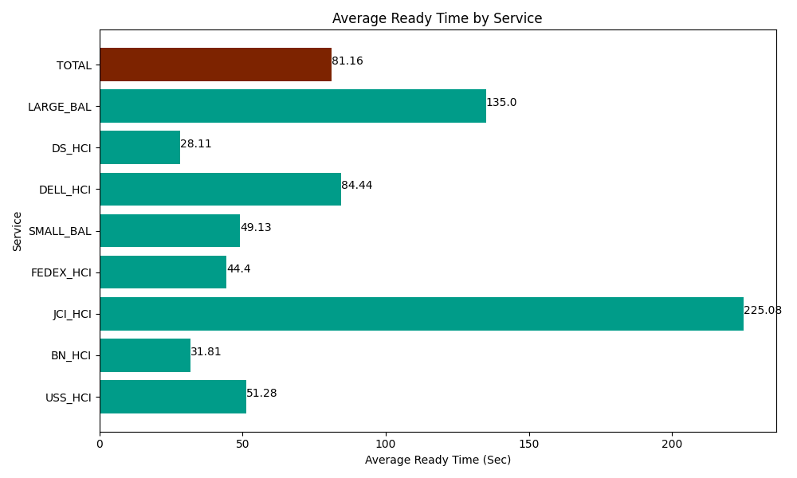
Date | Service | Successful Op Transfer | In Call (Sec) | Ready (Sec) | Wrapup (Sec) | Not Ready (Sec) | Average Ready Time (Sec)
05-14-2024 | USS_HCI | 295 | 39832.199707 | 15127.800293 | 40920 | 19877.999268 | 51.28
05-14-2024 | BN_HCI | 840 | 49062.000732 | 26723.999634 | 85897.800293 | 60185.998535 | 31.81
05-14-2024 | JCI_HCI | 73 | 7361.9998169 | 16431.000366 | 6535.1998901 | 1489.1999817 | 225.08
05-14-2024 | FEDEX_HCI | 57 | 4691.9998169 | 2530.8000183 | 4021.1997986 | 11983.799744 | 44.4
05-14-2024 | SMALL_BAL | 259 | 16654.200439 | 12724.80011 | 29479.799194 | 46405.198975 | 49.13
05-14-2024 | DELL_HCI | 95 | 10015.799561 | 8021.9998169 | 27316.199341 | 13236.000366 | 84.44
05-14-2024 | DS_HCI | 872 | 53530.799561 | 24512.999268 | 80516.99707 | 96035.998535 | 28.11
05-14-2024 | LARGE_BAL | 2 | 130.20000458 | 270 | 122.99999714 | 13.199999928 | 135
 | TOTAL | 2493 | 181279.19964 | 106343.39951 | 274810.19558 | 249227.3954 | 81.16

